Requirements overview
 | Input |  |  |  |  |  |  |  | System |  |  |  |  |  |  |  |  |  |  | Main Assembly - SOFTWARE
Date | Total Requirements | Total relevant [tbd,on hold,agreed,conditionally agreed] | tbd | on hold | agreed/ conditionally agreed | rejected | n/a | Trace-down (Only for agreed) | Total Requirements | Total relevant [Created, Specified, Accepted, Completed] | Created | Specified | Accepted/ Completed | Rejected | deleted / "n/a" | Trace-up | Trace-down (Only for accepted) | Reused | Stability Index | Total Requirements | Total relevant [Created, Specified, Accepted, Completed] | Created | Specified | Accepted/ Completed | Rejected | deleted / "n/a" | Trace-up | Trace-down (Only for accepted) | Reused | Stability Index
2019-06-28 | 5569 | 5135 | 0 | 324 | 4811 | 231 | 203 | 2066 | 3448 | 2520 | 1430 | 401 | 689 | 17 | 911 | 1336 | 339 | 61 | 0.99047619045 | 25588 | 10509 | 8771 | 601 | 1137 | 129 | 14950 | 2422 | 928 | 1273 | 0.95432486438
2019-07-01 | 5569 | 5135 | 0 | 324 | 4811 | 231 | 203 | 2066 | 3438 | 2511 | 1421 | 401 | 689 | 17 | 910 | 1338 | 339 | 61 | 0.98964555948 | 25697 | 10618 | 8881 | 600 | 1137 | 129 | 14950 | 2422 | 928 | 1273 | 0.94801280844
2019-07-02 | 5569 | 5135 | 0 | 324 | 4811 | 231 | 203 | 2066 | 3438 | 2511 | 1421 | 401 | 689 | 17 | 910 | 1338 | 339 | 61 | 0.99362803657 | 25701 | 10622 | 8883 | 602 | 1137 | 129 | 14950 | 2425 | 928 | 1273 | 0.94784409719
2019-07-03 | 5569 | 5135 | 0 | 324 | 4811 | 231 | 203 | 2066 | 3441 | 2514 | 1425 | 400 | 689 | 17 | 910 | 1340 | 339 | 61 | 0.99681782015 | 25720 | 10641 | 8886 | 618 | 1137 | 129 | 14950 | 2425 | 928 | 1273 | 0.94812517628
2019-07-04 | 5569 | 5135 | 0 | 324 | 4811 | 231 | 203 | 2066 | 3441 | 2514 | 1425 | 400 | 689 | 17 | 910 | 1340 | 339 | 61 | 0.99681782015 | 25740 | 10653 | 8898 | 618 | 1137 | 129 | 14958 | 2425 | 928 | 1273 | 0.95137519952

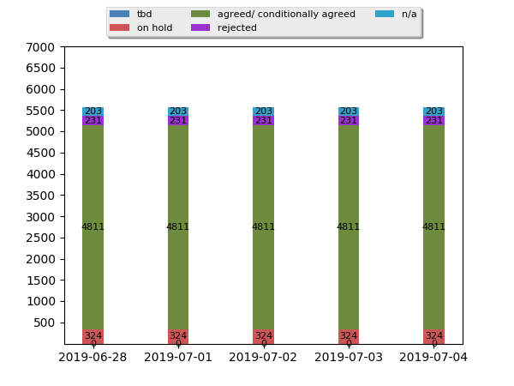
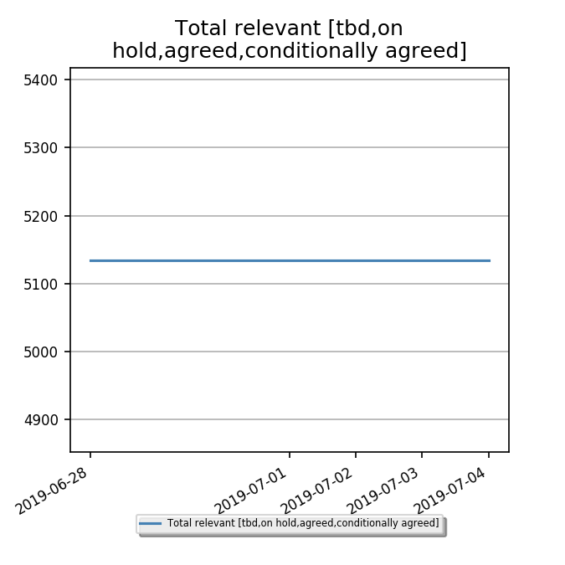
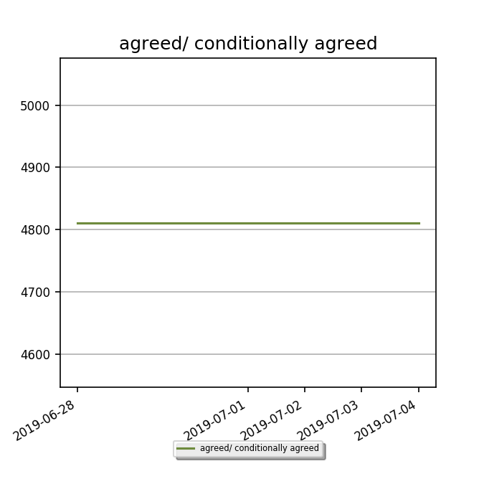
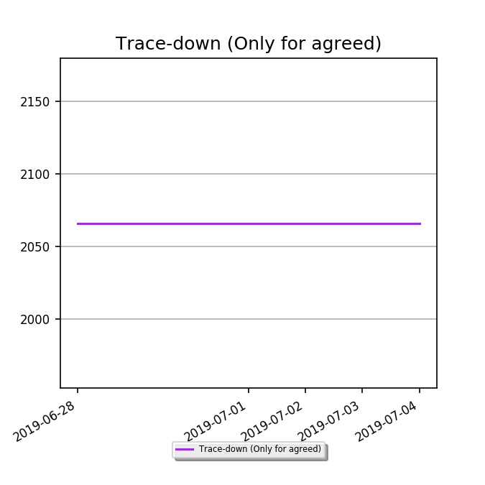
Input

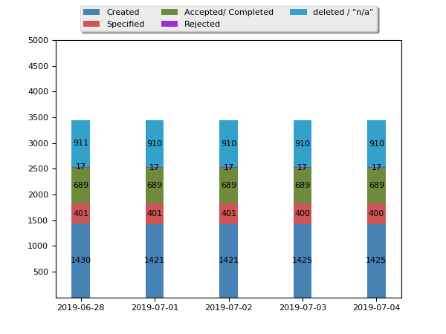
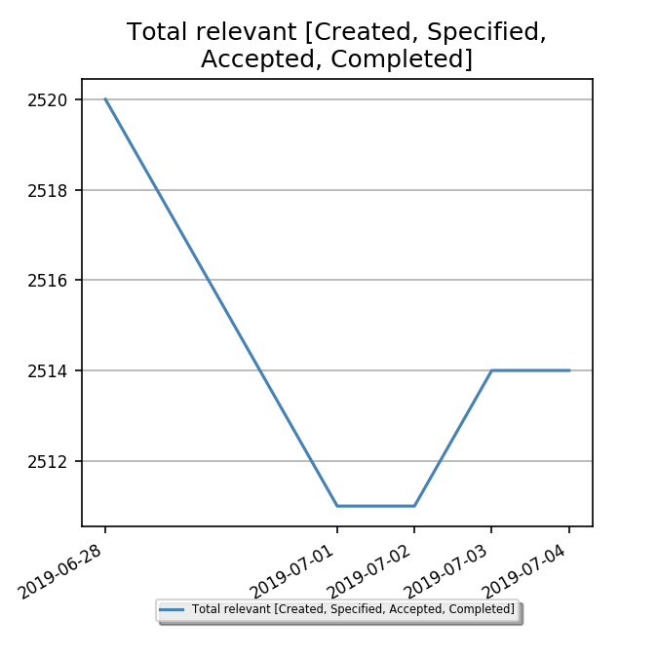
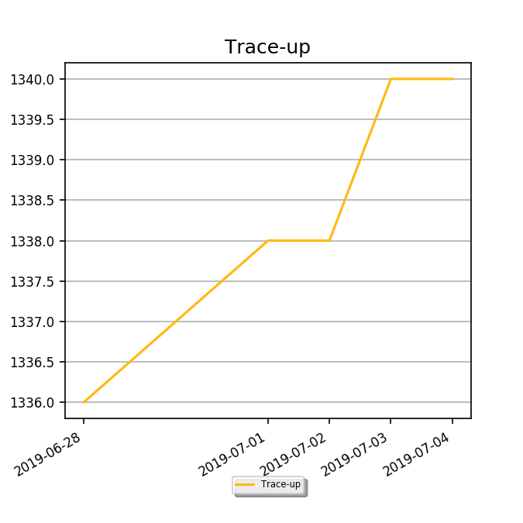
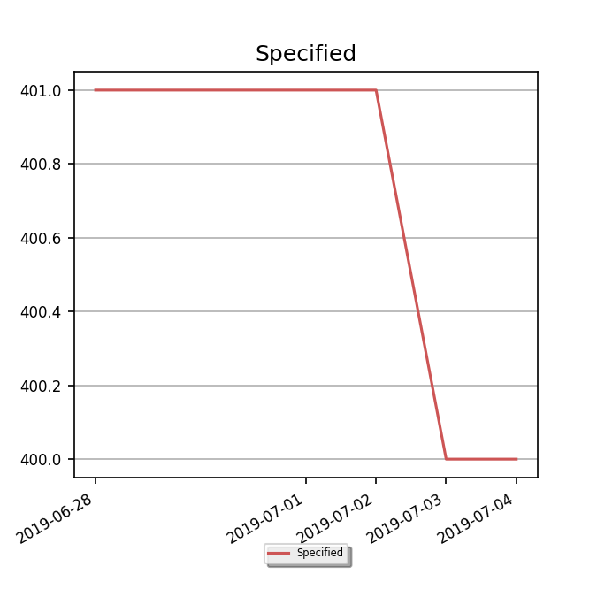
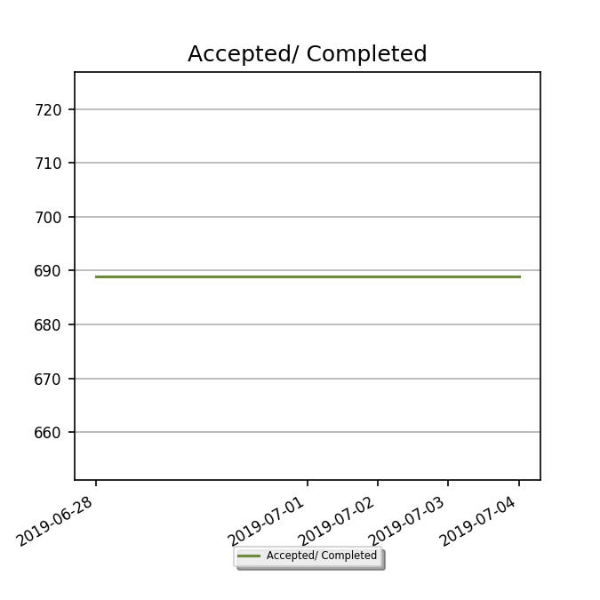
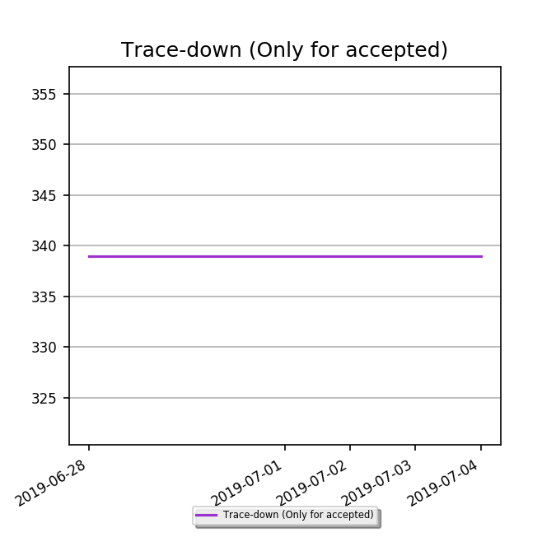
System

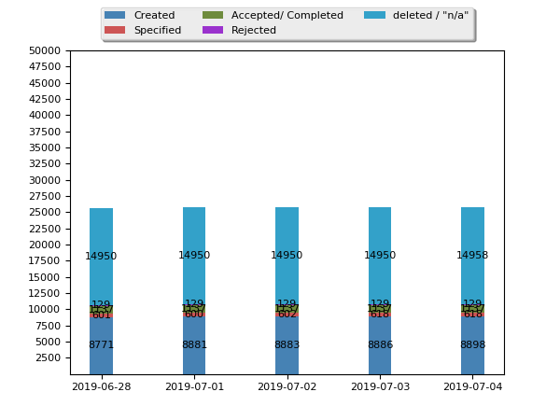
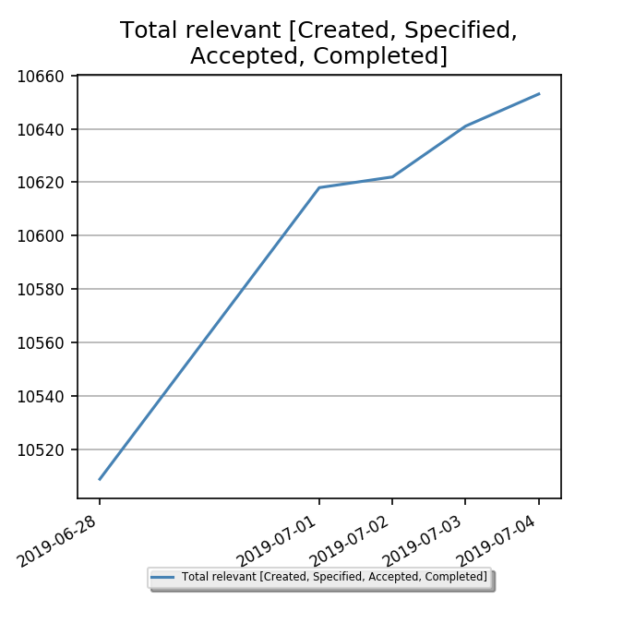
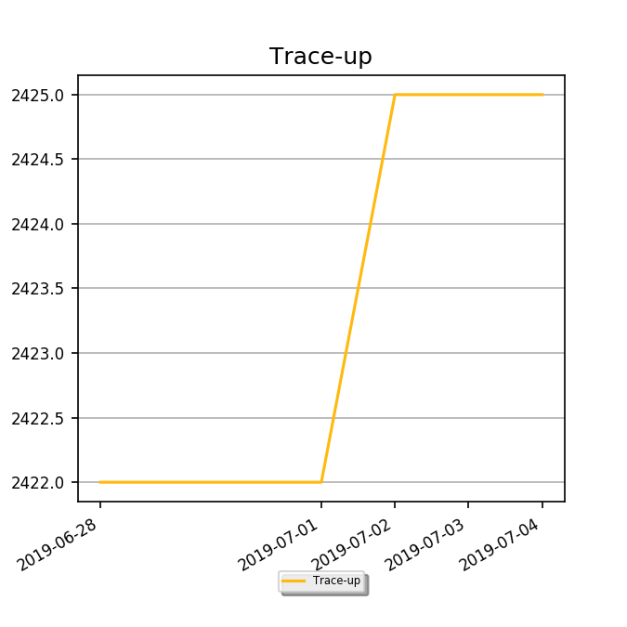
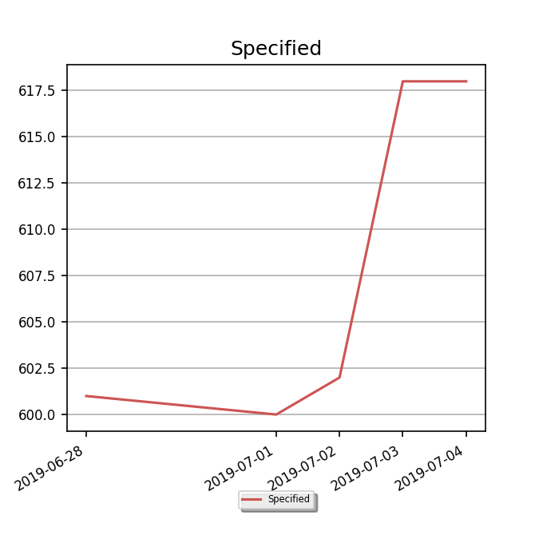
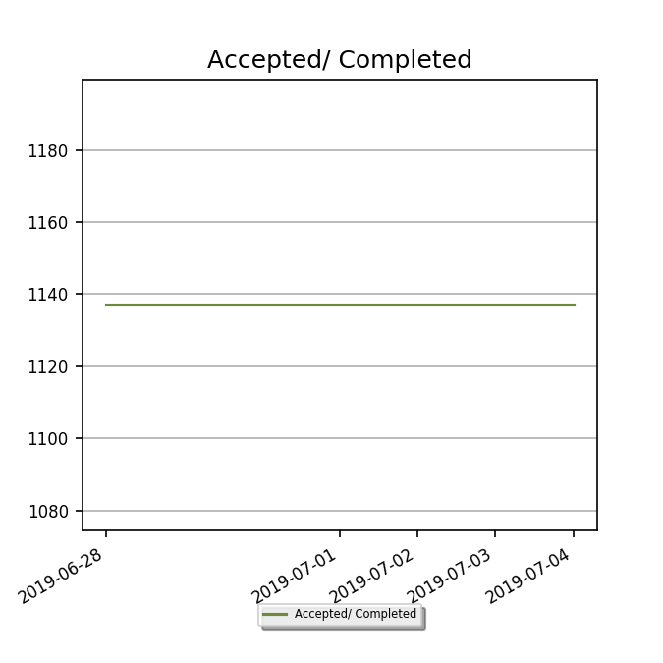
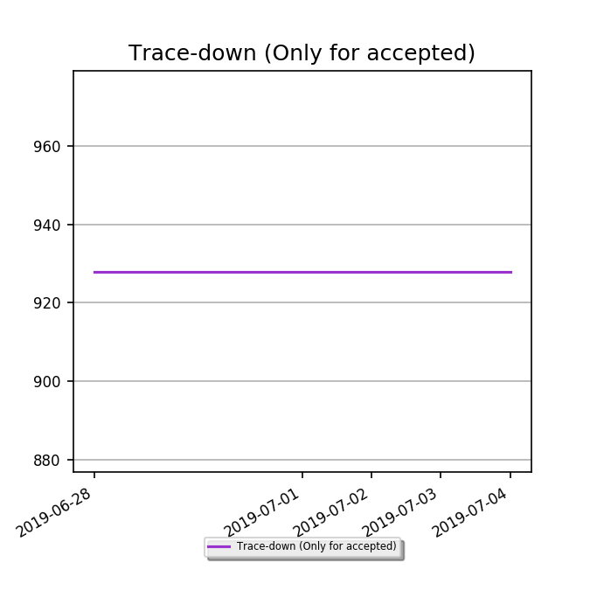
Main Assembly - SOFTWARE

